Welcome
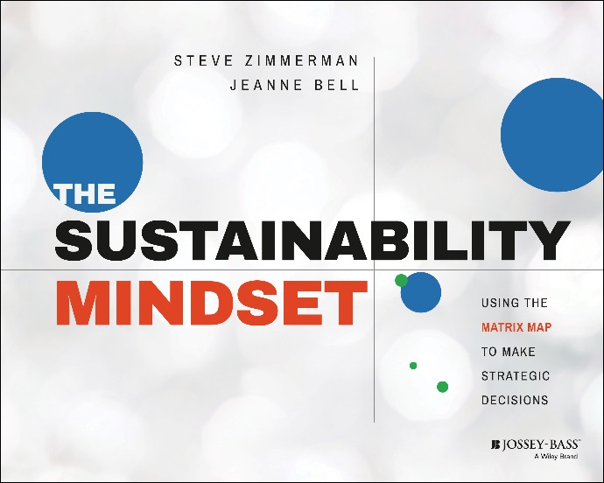

Thank you for your interest in the Matrix Map. This tool is a visual representation of how your organization’s programs work together to create impact and financial viability. A simple, yet powerful tool for articulating your business model. More than just a picture though, the Matrix Map provides strategic imperatives to strengthen your business model. The map can be used to engage board and staff alike in analyzing challenges and opportunities and making ongoing strategic decisions that integrate mission impact and financial profitability and set the organization on a path toward greater sustainability.
Please email us with any questions or success stories on the Matrix Map at MatrixMap@spectrumnonprofit.com and learn more about what we do with CompassPoint Nonprofit Services and Spectrum Nonprofit Services by visiting our websites at www.CompassPoint.org and www.SpectrumNonprofit.com
Best of Luck,
Steve Zimmerman and Jeanne Bell
www.NonprofitSustainability.org

Mapping Data
Your Organization Name
Matrix Map Master Data

Programs | Profitability | Mission Impact | Expenses
TBD1 | $- | 0.0 | $-
TBD2 | $- | 0.0 | $-
TBD3 | $- | 0.0 | $-
TBD4 | $- | 0.0 | $-
TBD5 | $- | 0.0 | $-
TBD6 | $- | 0.0 | $-
TBD7 | $- | 0.0 | $-
TBD8 | $- | 0.0 | $-

DIRECTIONS FOR THE MATRIX MAP TOOL
Data:
To use this spreadsheet, enter the name of each program in Column A; move on to the Finances and Mission Impact tabs below to complete the scores for the next three columns. Formulas will do the work of pushing programs and scores from sheet to sheet.
Add rows as necessary for all your business lines. Delete any extra rows if you wish.
Before you make any modifications, save a blank version as a template for formula reference or later use.
-----------------------------
On the Matrix Map:
To change the color of a bubble, right click the bubble, choose "Format Data Series" and then "Fill" on the left menu, "Solid Fill" and then choose the appropriate color. Our default is blue = program, green = fundraising
To change the order of bubbles (make bigger ones be below smaller ones) right click the chart, choose "Select Data" and move the ranges using the arrows on top of the box.
To add a bubble right click the chart, choose "Select Data" and then "Add. Enter each column in the data sheet for the new program into the textbox starting with column A, then B,C, and D.
-----------------------------
Any questions about the template, email: MatrixMap@spectrumnonprofit.com

Mission Impact
Assessing Mission Impact

On a scale of 1 to 4 with 4 being the highest, please rate each program below on the following criteria. As you complete the survey, remember that there is no "right" answer in the survey and take into account all the information you have from your experience with the organization.
Program | Criterion 1 | Criterion 2 | Criterion 3 | Criterion 4 | Score
 | Contribution to Intended Impact | Excellence in Execution | see below | see below
TBD1 |  |  |  |  | 0.0
TBD2 |  |  |  |  | 0.0
TBD3 |  |  |  |  | 0.0
TBD4 |  |  |  |  | 0.0
TBD5 |  |  |  |  | 0.0
TBD6 |  |  |  |  | 0.0
TBD7 |  |  |  |  | 0.0
TBD8 |  |  |  |  | 0.0

To build an include Matrix Map, you should have multiple people involved with measuring programmatic impact. Have each chosen member fill out their own assessment and use a master copy to average each members ranking - giving you a total average score to use on the final map.
-----------------------------
Select a minimum of four criteria:
Contribution to Intended Impact: Relative to other programs, how well does this program contribute to what the overall organization aims to accomplish?
Excellence in execution: Is this program something that the organization delivers in an exceptional manner?
Scale: How many people are touched or influenced by this program?
Depth: How profound is the level of intervention with this program?
Significant Unmet Need: Is there significant competition or are there similar offerings of this program? Is there an adequate supply of services to meet the demand for them in our community?
Community Building: Does this program build community around the program or the organization as a whole?
Leverage: Does this program benefit from and nurture important relationships and partnerships inside and outside the organization?

Your Matrix Map
Matrix Map
 | TBD1 | TBD2 | TBD3 | TBD4 | TBD5 | TBD6 | TBD7 | TBD8
$- | 0.0 | 0.0 | 0.0 | 0.0 | 0.0 | 0.0 | 0.0 | 0.0

